1Q 2017 SEFUR
SEF Budget Accountability Form No. 1
REPORT of SEF UTILIZATION
For the Quarter Ending March 31 , 2017

CITY OF MALABON

Receipt from Special Education Tax |  |  | P88,395,607.83
Interest Income |  |  | 55,368.03
Subsidy from Other Funds |  |  | 16,363,904.30
 | Total Receipts |  | P104,814,880.16

Less: | DISBURSEMENTS
 | Personal Services
 | Salaries and Wages - Regular |  | P286,359.00
 | Salaries and Wages - Casual |  | 1,646,048.37
 | Personnel Economic Relief Allowance (PERA) |  | 379,836.36
 | Retirement and Life Insurance Premiums |  | 229,591.58
 | PAG-IBIG Contributions |  | 19,000.00
 | PhilHealth Contributions |  | 21,675.00
 | Employees Compensation Insurance Premiums |  | 18,966.18
 | Total Personal Services |  | P2,601,476.49

 | Maintenance and Other Operating Expenses
 | Training Expenses |  | P146,655.00
 | Office Supplies Expenses |  | 86,055.00
 | Fuel, Oil and Lubricants Expenses |  | 50,042.45
 | Electricity Expenses |  | 1,696,532.94
 | Janitorial Services |  | 205,472.52
 | Security Services |  | 1,793,826.68
 | Other General Services |  | 1,034,045.63
 | Insurance Expenses |  | 15,236.77
 | Other Maintenance & Operating Expenses |  | 1,730,232.00
 | Total Maintenance & Other Operating Expenses |  | P6,758,098.99

 | Capital Outlay
 | Construction in Progress -Buildings & Other Structures |  | P6,287,500.85
 | Total Capital Outlays |  | P6,287,500.85

Total Disbursements |  |  | P15,647,076.33
Balance |  |  | P89,167,803.83
*Subject to Adjustment

 |  | We hereby certify that we have reviewed the contents
 |  | and hereby attest to the veracity and correctness of the
 |  | data or information contained in this document.
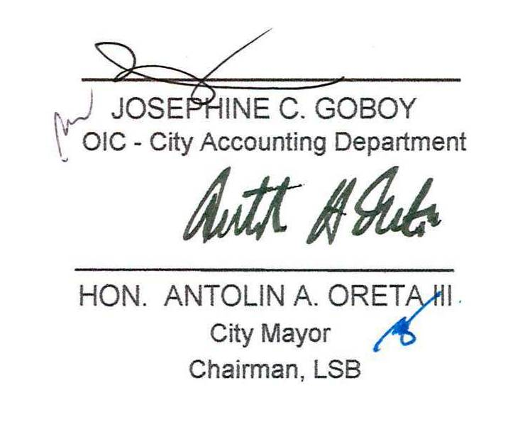

 |  | JOSEPHINE C. GOBOY
 |  | OIC - City Accounting Department

 |  | HON. ANTOLIN A. ORETA III
 |  | City Mayor
 |  | Chairman, LSB

