SEF Cash Flow 2Q 2014
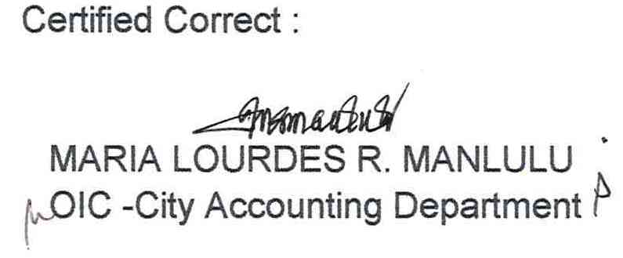
CITY OF MALABON
STATEMENT OF CASH FLOWS
SPECIAL EDUCATION FUND
For the Quarter Ending June 30, 2014

Cash Flows From Operating Activities
 | Cash Inflows
 |  | Collection from Taxpayers | P | 73,538,924.41
 |  | Interest Income |  | 123,287.71
 |  | Other Receipts |  | 93,031.15
 |  | Total Cash Inflows | P | 73,755,243.27
 | Cash Outflows
 |  | Payments to -
 |  | Suppliers / Creditors | P | 23,707,556.84
 |  | Employees |  | 6,238,494.82
 |  | Other Disbursements |  | 6,733.30
 |  | Total Cash Outflows | P | 29,952,784.96

 | Net Cash Provided by the Operation |  | P | 43,802,458.31

Cash Flows From Investing Activities
 | Cash Outflows
 |  | Purchase of Property, Plant and Equipment and Public Infrastuctures | P | 4,679,108.94
 |  | Total Cash Outflows | P | 4,679,108.94
 | Cash Provided by ( Used In) |  | P | 4,679,108.94

Net Cash Provided by ( Used In ) |  |  | P | 39,123,349.37
Cash at the Beginning of the Period |  |  |  | 105,027,479.56
Cash at the end of the Period |  |  | P | 144,150,828.93

cash flow june
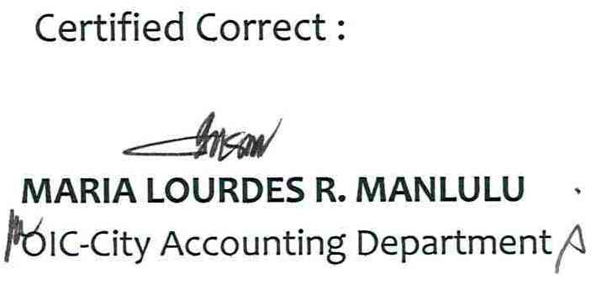
City of Malabon
STATEMENT OF CASH FLOWS
SPECIAL ACCOUNT - CMU
For the quarter ended June 30, 2014

Cash Flows From Operating Activities
 | Cash Inflows
 |  | Receipts from sale of goods and services |  | P21,575,714.91
 |  | Interest Income |  | 24,528.70
 |  | Other Receipts |  | 32,754.54
 |  | Total Cash Inflows |  | P21,632,998.15
 | Cash Outflows
 |  | Payments to -
 |  |  | Suppliers/Creditors (a) current | P3,024,796.32
 |  |  | Employees | 10,171,209.64
 |  | Other Disbursements |  | 853,767.02
 |  | Total Cash Outflows |  | P14,049,772.98
 | Cash Provided by Operating Activities |  |  | P7,583,225.17
Net Cash Provided by Operation |  |  |  | P7,583,225.17
Cash at the Beginning of the Period |  |  |  | P24,673,617.88
Cash at the End of the Period |  |  |  | P32,256,843.05

