Form 6 3Q 2015 TFUR
FDPP Form 6 - Trust Fund Utilization

CONSOLIDATED QUARTERLY REPORT ON GOVERNMENT PROJECTS, PROGRAMS or ACTIVITIES
FOR THE 3rd QUARTER, CY 2015

Province, City or Municipality : Malabon City

Program or Project | Location | Total Cost | Date Started | Target Completion Date | Project Status |  | No. of Extensions, if any | Remarks
 |  |  |  |  | % of Completion | Total Cost Incurred to Date
Construction of New Pagamutang Bayan ng Malabon | F. Sevilla Blvd. San Agustin ,Malabon City | 142,894,901.00 | 2015-07-01 | 2016-04-30 | 8.90% | 12,713,570.87 |  | 74,062,500 (50%, partial amount received)
Rehabilitation of N. Vicencio St. & Portion of F. Nicolas Sst. Barangay Niugan | Barangay Niugan, Malabon City | 3,078,652.04 | 2015-04-23 | 2015-07-22 | 100.00% | 3,078,652.04 |  | 100% accomplished
Cleaning-Up, Management & Maintenance of Secondary Tributary Waterways of MANATUTI River System | Malabon-Navotas and Tullahan-Tinajaeros River System | 10,000,000.00 | 2014-10-01 | September 30,2015 | 99.60% | 9,960,000.00 |  | 10,000,000.00 is 50% of the agreed project's total cost
Hot meal for the implementation of 120 days supplementary feeding program | National Child Development Center and ECCD Home based | 4,800,000.00 |  |  | 0.00% | - |  | Project to be implemented on October 23 ,2015
Conversion of DayCare Center to Child Development Center | Barangay Panghulo, Santulan and Tonsuya, Malabon City | 2,000,000.00 |  |  | 0.00% | -
Bottom Up Budgeting (BUB)-Upgrading/Rehabilitation of the core local road at Barangay Tañong , Malabon City | 1st Street and Main Steet of Barangay Tañong, Malabon City. | 4,000,000.00 |  |  | 0.00% | - |  | Project to be implemented on October 29 ,2015
TOTAL |  | P166,773,553.04 |  |  |  | P25,752,222.91

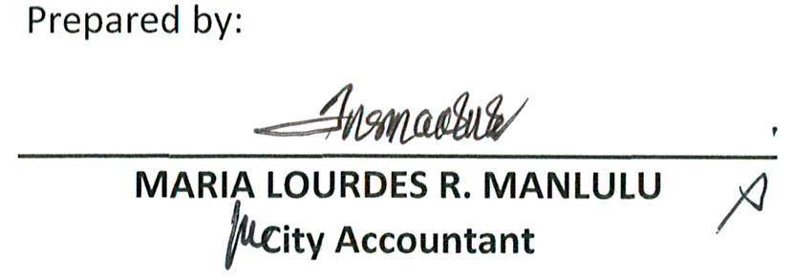
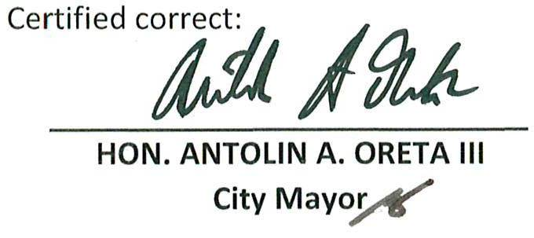
Prepared by: |  |  |  |  | Certified correct:

MARIA LOURDES R. MANLULU |  |  |  |  |  | HON. ANTOLIN A. ORETA III
City Accountant |  |  |  |  |  | City Mayor

