3Q 2017 SEF FUR
SEF Budget Accountability Form No. 1
REPORT of SEF UTILIZATION
For the Quarter Ending September 30 , 2017

CITY OF MALABON

Receipt from Special Education Tax |  |  |  | P121,068,140.92
Interest Income |  |  |  | 171,219.95
Subsidy from Other Funds |  |  |  | 16,363,904.30
Miscellaneous Income |  |  |  | 1,544.03
 | Total Receipts |  |  | P137,604,809.20

Less: | DISBURSEMENTS
 | Personal Services
 | Salaries and Wages - Regular |  |  | P859,077.00
 | Salaries and Wages - Casual |  |  | 5,368,206.24
 | Personnel Economic Relief Allowance (PERA) |  |  | 1,238,200.00
 | Clothing / Uniform Allowance |  |  | 295,000.00
 | Honoraria |  |  | 706,949.82
 | Cash Gift
 | Year End Bonus
 | Other Bonuses and Allowances |  |  | 614,465.00
 | Retirement and Life Insurance Premiums |  |  | 748,496.99
 | PAG-IBIG Contributions |  |  | 62,000.00
 | PhilHealth Contributions |  |  | 70,587.50
 | Employees Compensation Insurance Premiums |  |  | 61,939.05
 | Total Personal Services |  |  | P10,024,921.60

 | Maintenance and Other Operating Expenses
 | Traveling Expenses - Local |  |  | P294,300.88
 | Training Expenses |  |  | 572,427.00
 | Office Supplies Expenses |  |  | 149,060.00
 | Accountable Forms Expenses
 | Drugs and Medicines Expenses
 | Medical, Dental & Laboratory Supplies Expenses
 | Fuel, Oil and Lubricants Expenses |  |  | 209,406.30
 | Textbooks & Instructional Materials Expenses
 | Other Supplies and Materials Expenses |  |  | 2,641,477.20
 | Electricity Expenses |  |  | 6,355,601.71
 | Prizes
 | Research, Exploration & Development Expenses |  |  | 21,462,387.49
 | Janitorial Services |  |  | 707,199.56
 | Security Services |  |  | 5,888,130.72
 | Other General Services |  |  | 3,420,161.01
 | Repairs and Maintenance - Land Improvements
 | Repairs and Maintenance - Buildings & Other Structures |  |  | 999,932.00
 | Repairs and Maintenance - Motor Vehicles | Repairs and Maintenance - Transportation Equipment |  | 228,268.00
 | Taxes, Duties and Licenses |  |  | 50,423.98
 | Insurance Expenses |  |  | 54,889.35
 | Advertising Expense
 | Printing and Publication Expenses
 | Representation Expenses |  |  | 1,212,316.30
 | Other Maintenance & Operating Expenses |  |  | 833,102.70
 | Total Maintenance & Other Operating Expenses |  |  | P45,079,084.20

 | Capital Outlay
 | School Buildings |  |  | P7,693,500.85
 | Communication Equipment |  |  | 88,947.00
 | Disaster Response & Rescue Equipment |  |  | 208,506.00
 | Total Capital Outlays |  |  | P7,990,953.85

Total Disbursements |  |  |  | P63,094,959.65
Balance |  |  |  | P74,509,849.55
*Subject to Adjustment

 |  |  | We hereby certify that we have reviewed the contents
 |  |  | and hereby attest to the veracity and correctness of the
 |  |  | data or information contained in this document.

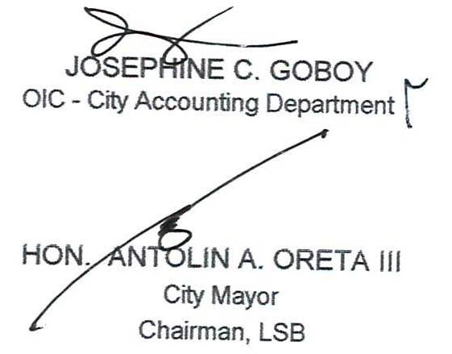

 |  |  | JOSEPHINE C. GOBOY
 |  |  | OIC - City Accounting Department

 |  |  | HON. ANTOLIN A. ORETA III
 |  |  | City Mayor
 |  |  | Chairman, LSB

