4Q 2014 TF DILG PDAF Report
Schedule of Funds Released From DBM - PDAF/DAP and its Utilization/Disbursement
Malabon City
as of December 31, 2014

Funds Received from DBM |  |  |  |  |  |  | Utilization/ Disbursement
LGU | SARO |  | Funding Check |  |  | Proponent | DV No. | CHECK |  | Amount | Payee | Project/ Program | BALANCES AS OF TO DATE
 | Date | Number | Number | Date | Amount |  |  | Number | Date |  |  |  | Unutilized

Malabon City | 2013-03-01 | G-13-T00534 | 740515 | 2013-03-21 | 10,000,000.00 | Congw. Josephine Lacson-Noel |  |  |  |  |  | Financial assistance for the installation of streetlights in Barangay Tugatog & Maysilo. | 10,000,000.00

TOTAL |  |  |  |  | P10,000,000.00 |  |  |  |  | P- |  |  | P10,000,000.00
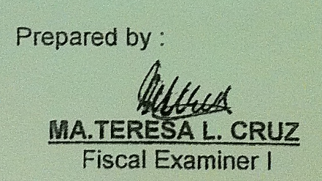
 |  | Prepared by : |  |  |  |  |  |  |  |  | Certified Correct :

 |  | MA.TERESA L. CRUZ |  |  |  |  |  |  |  |  | MARIA LOURDES R. MANLULU
 |  | Fiscal Examiner I |  |  |  |  |  |  |  |  | OIC - City Accounting Department

