DRRMF 2Q2018
Report on Utilization of Disaster Risk Reduction and Management Fund
for the Second Quarter of FY 2018

MALABON CITY

Particulars | LDRRMF |  | NDRRMF | From Other LGUS | From Other Sources | Total
 | Quick Response Fund (QRF) 30% | Mitigation Fund 70%

A. Sources of Funds:
Current Appropriation | 24,479,900.00 | 59,340,176.00 |  |  |  | 83,820,076.00
Continuing Appropriations BY2017 (Unexpended Bal) | - | 16,215,287.00 |  |  |  | 16,215,287.00
Continuing Appropriations BY2016 (Unexpended Bal) | - | 1,316,524.97 |  |  |  | 1,316,524.97
Continuing Appropriations BY2015 (Unexpended Bal) | - | 911,025.30 |  |  |  | 911,025.30
Continuing Appropriations BY2014 (Unexpended Bal) | - | 52,725.00 |  |  |  | 52,725.00
Continuing Appropriations BY2013 (Unexpended Bal) | - | 11,044.00 |  |  |  | 11,044.00
Continuing Appropriations BY2012 (Unexpended Bal) | - | 280,944.87 |  |  |  | 280,944.87
Transfer to TF of CF 2017 | - | 11,744,077.67 |  |  |  | 11,744,077.67
Transfer to TF of CF 2016 | - | 32,595,026.67 |  |  |  | 32,595,026.67
Transfer to TF of CF 2015 |  | 15,872,639.31 |  |  |  | 15,872,639.31
Total Funds Available | 25,479,900.00 | 82,270,402.74 | - | - | - | 107,750,302.74
B. Utilization
Communication Equipment |  | 2,555,535.00 |  |  |  | 2,555,535.00
Motor Vehicle |  | 11,580,000.00 |  |  |  | 11,580,000.00
Other Transportation Equipment |  | 806,000.00 |  |  |  | 806,000.00
Training Expenses |  | 916,520.50 |  |  |  | 916,520.50
Welfare Goods Expenses | 2,592,963.30 | - |  |  |  | 2,592,963.30
Other Supplies and Materials Expenses | 1,994,743.00 | - |  |  |  | 1,994,743.00
 |  | - |  |  |  | -
Total Utilization | 4,587,706.30 | 15,858,055.50 | - | - | - | 20,445,761.80
Unutilized Balance | 20,892,193.70 | 78,067,727.14 | - | - | - | 102,547,627.14

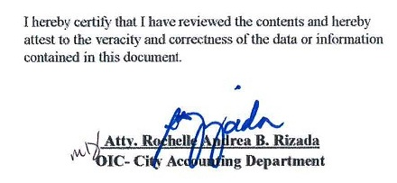
I hereby certify that I have reviewed the contents and hereby attest to the veracity and correctness of the data or information contained in this document.

Atty. Rochelle Andrea B. Rizada
OIC- City Accounting Department

